2.4Box
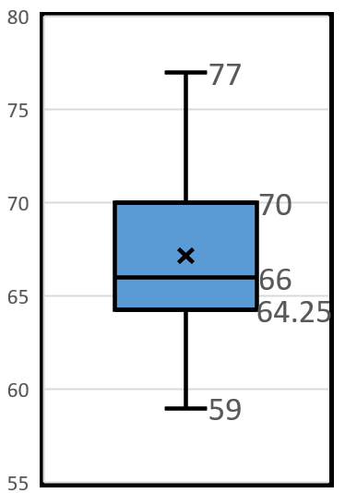
59
60
61
62
62 | Make a boxplot for the data shown here
63 | Try to make it match the image on the right.
63
64
64
64
65
65
65
65
65
65
65
65
65
66
66
67
67
68
68
69
70
70
70
70
70
71
71
72
72
73
74
74
75
77

